Card 1 - Intro
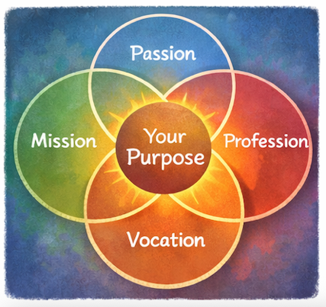
Field | Day/Lesson on Ikigai: Discover your purpose
Title | Ikigai: Your reason for being
Text | What if leadership does not begin with ambition, but with purpose? Lets embark on an adventurous journey to find your Ikigai - a purpose where your gifts meet the world.
Quote | “Your gifts become powerful when they serve something bigger than you.”
Image | 1_AVITEUM_image 1
Video | Short 60s video based on the text below
Subtitle | What gives your life meaning?
Multiple choice question
Open question
List
Last message | Welcome to your journey of discovering your Ikigai.

Text for the video: | What gives your life meaning? What makes you feel energized, useful, and proud of the impact you create? In Japan, there is an inspiring concept called Ikigai - your reason for being. It lives at the intersection of four simple but powerful questions: What do you love? What are you good at? What does the world need? And how can your talents create value and opportunity? When these four areas connect, we begin to discover our purpose. For many women, leadership does not begin with ambition - it begins with care. Care for people. Care for community. Care for creating positive change. Ikigai helps you recognise that your passions, strengths, and experiences can make a change and impact your communities. You don’t need to have all the answers today. Purpose is something we discover step by step. And sometimes, leadership begins with a simple thought: “Maybe I can make a difference.” Welcome to your journey of discovering your Ikigai.

Card 2

Field | Day/Lesson on Ikigai: Discover your purpose
Title | Ikigai: What do you love?
Text | Ikigai begins with joy. Notice what energises you. Remember the moments when you feel deeply engaged, curious or excited. Such experiences naturally reveal your passions and give a meaningful direction in your life.
Quote | “Follow what lights you up - your energy knows the way.”
Image | 1_AVITEUM_image 2
Video
Subtitle
Multiple choice question | Have you ever noticed that some activities give you energy while others drain you? When you feel exhausted, how do you react? | I avoid those activities when I can | I keep going and ignore the exhaustion | I take a break and reflect on what drained me | I ask for support or try to change how I approach it
Open question | What is one activity that drains your energy, and how you could approach it differently?
List | Passion often appears in moments of curiosity | Your energy shows what deserves your attention | Small sparks can grow into meaningul directions
Last message | You have taken the first step to discover your energisers - this is where your journey begins.

Card 3

Field | Day/Lesson on Ikigai: Discover your purpose
Title | Ikigai: What are you good at?
Text | You may not notice or underestimate your strengths because they come naturally to you. Your treasure can be talents, knowledge, or the way you think, connect, and support others. Recognising them will help you to empower your passions.
Quote | “Your strengths are clues to the impact you are able to create.”
Image | 1_AVITEUM_image 3
Video
Subtitle
Multiple choice question
Open question | What strengths do others often recognise in you? Ask three people to answer one question for you: "Name three things I am good at according to your opinion?" Ask them to write down the answer. You can approach your friend, your work colleague and one of your relatives - or anyone who is available and willing to share his or her view.
List | Strengths can be natural or developed | Feedback often reveals hidden abilities | Skills grow with practice
Last message | Well done. Understanding your strengths helps you see where you can lead and contribute.

Card 4

Field | Day/Lesson on Ikigai: Discover your purpose
Title | Ikigai: What does the world need?
Text | Purpose often grows where personal abilities meet the needs of others. Take a moment to reflect on the challenges or issues that surround you and make you feel engaged - those that spark concern, curiosity, or a desire to act. It could be supporting other women, improving access to opportunities, strengthening your community, or addressing inequality. These moments of awareness are important, because they often signal where your purpose can grow and where your leadership can make a difference.
Quote | “When you share your skills with the world, value follows.”
Image | 1_AVITEUM_image 4
Video
Subtitle
Multiple choice question
Open question | Describe one challenge or issue you would like to help improve. How can you make use of your strengths to contribute?
List | Small actions can trigger meaningful impact | Purpose connects personal meaning with contribution | Leadership often begins with caring
Last message | You took an important step here by connecting your strengths to the needs of the world.

Card 5

Field | Day/Lesson on Ikigai: Discover your purpose
Title | Ikigai: What can you be paid for?
Text | Purpose becomes sustainable when your strengths and passions create value for others. If your profession becomes your vocation, your strengths meet what the world needs - thus the true value is being created. Not only in terms of money, but also in a form of opportunities, partnerships or influence.
Quote | “Opportunity grows where value is created.”
Image | 1_AVITEUM_image 5
Video
Subtitle
Multiple choice question | You want to turn your strengths into opportunities. What do you do? | Look for ways your skills can solve real needs and then take action | Focus only on what you enjoy, impact is an added value but not the main goal | Wait for opportunities to come to you and then make a conscious choice | Compare yourself to others and hold back if you don't feel condifent
Open question
List | Your skills create value when they serve others | Opportunities often begin with small steps | Purpose can turn into meaningful and sustainable work
Last message | You’re beginning to see how purpose and career can connect.

Card 6
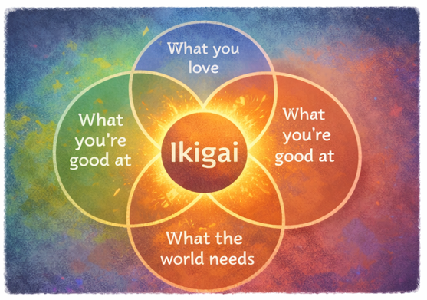
Field | Day/Lesson on Ikigai: Discover your purpose
Title | Ikigai: Your purpose
Text | Ikigai appears where four elements meet: what you love, what you’re good at, what the world needs, and what you can be paid for. Don't look for perfection, but try to discover their meaningful alignment.
Quote | “Purpose is where your gifts meet the world.”
Image | 1_AVITEUM_image 6
Video
Subtitle
Multiple choice question
Open question | How does your personal Ikigai look like? Sit down, reflect and create your personal Ikigai diagram.
List | Ikigai is a direction, not a fixed destination | Alignment creates motivation and meaning | Exploration is part of the journey
Last message | Well done. You have discovered possible paths toward your purpose.

Card 7

Field | Day/Lesson on Ikigai: Discover your purpose
Title | Ikigai: Taking action
Text | Knowing your passions and understanding your strengths is important, but real clarity comes when you use them. Try applying your "treasures" in small, real situations - support someone, share your ideas, or start a small initiative. This is how you discover what truly creates value.
Quote | “Impact grows when you take action.”
Image | 1_AVITEUM_image 7
Video
Subtitle
Multiple choice question
Open question | What is one small action you can take this week to use your skills?
List | Action helps you discover real value | Small steps build confidence | Experience brings clarity
Last message | You are opening the door to new possibilities and growth.

Card 8 - Outro

Field | Day/Lesson on Ikigai: Discover your purpose
Title | Ikigai: Your journey
Text | You have walked a long journey and found a lot of treasures on the way. Your Ikigai is being created where your passions, strengths, world needs and real value come together. It may not be perfectly clear yet - and that's ok. Purpose grows as you continue to reflect, act and learn.
Quote | “Your purpose becomes real when you choose to live it.”
Image | 1_AVITEUM_image 8
Video
Subtitle
Multiple choice question | Now, when you refelcted on your Ikigai - what will you do next? | Look for ways to contribute and make small changes | Wait for perfect opportunity and grab it | Let Try to take action even if I might failother take the lead and join
Open question
List | Purpose grows through reflection and action | Alignment creates meaning and motivation | Your journey leads to your purpose
Last message | Congratulations. You’ve completed your Ikigai journey - now take the next step and make it real.

